Bug reports
Bug report React APP |  |  |  | Andrei Barycheuski

ID | Title | Description | Steps to reproduce | Reproducibility | Severity | Priority | Component | Actual Result | Expected Result | Attachments
B1 | Upon successful subscription user data is not saved in database | Operating system: Ubuntu 20.04.5 LTS Firefox browser 104.0 (64-bit) | 1. Open http://localhost:3000; 2. Enter valid values in fields and tick check-box of form; 3. Press button "S'inscrire" | Always | Major | High | Back-end | No data is saved in database (Response code 400) Back-end conteiner was not up due to "ESOCKETTIMEDOUT" error and "CORS failed" error of interection between front-end and back-end | Entered valid values are saved in Database (Response code 200 or 201) | 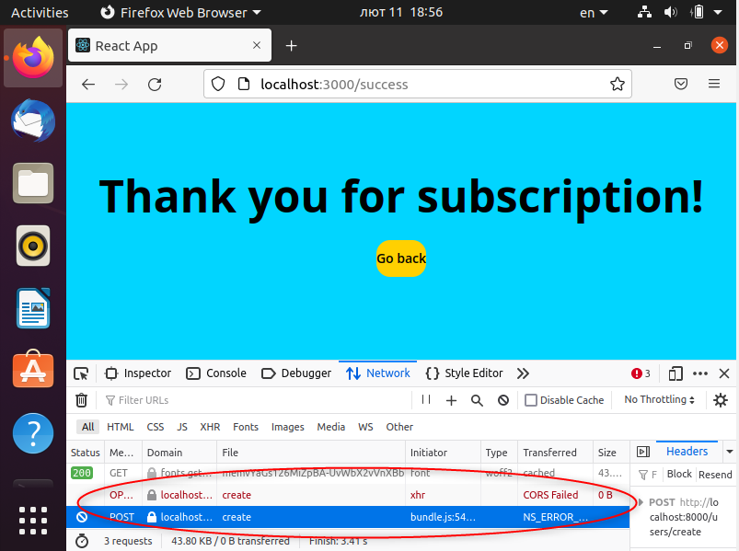
B2 | Invalid values are not seen as invalid by system and can be sent to server | Operating system: Ubuntu 20.04.5 LTS Firefox browser 104.0 (64-bit) | 1. Open http://localhost:3000; 2. Enter invalid values in form's fields; 3. Tick check-box; 4. Press button "S'inscrire" | Always | Medium | Medium | Front-end | Succefull registaration is posible with the folowing invalid values: -for field "Votre prenom" (4 and more spaces, periods, dashes; period or dash as a first character of prenom; 40 charecters when validation message allows only 28 characters); -for field "Votre nom" (4 and more spaces, periods, dashes; period or dash as a first character of nom); - field "Numero de telephone" (less than 8 figures after entering and deleting first figure in the field); -field "Votre email" (dash before and after domein name, e.g. i@-m.ru or i@m-.ru); -fields "Votre mot de passe" and "Confirmez vorte mot de passe" (value without Uppercase letter which is required, e.g. qwer1234) | System notifies user about invalid values and do not allow him to subscribe. | 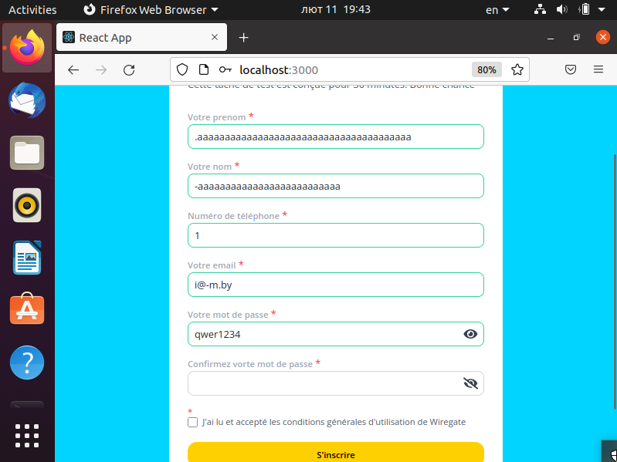
B3 | Saved password is displayed in the form after refresh of page | Operating system: Ubuntu 20.04.5 LTS Firefox browser 104.0 (64-bit) | 1. Open http://localhost:3000; 2. Refresh page | Always | Medium | Medium | Front-end | All the fields are empty, except password field. Saved value is displayed in field | Form is displayed with empty fields | 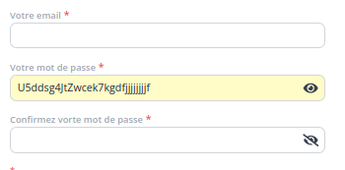
B4 | Localization/internationalization is not meet | Operating system: Ubuntu 20.04.5 LTS Firefox browser 104.0 (64-bit) | 1. Open http://localhost:3000; 2. Enter invalid values in form's fields | Always | Minor | Medium | Front-end | Validation error messages and Successful subscription message are in English, names of the fields and greeting message are in another language. One of the phone validation messages is not in english | Form is in one language (english or another one) | 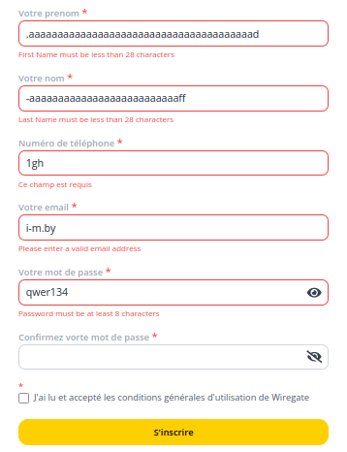
B5 | Unclear error messages of user while entering invalid values | Operating system: Ubuntu 20.04.5 LTS Firefox browser 104.0 (64-bit) | 1. Open http://localhost:3000; 2. Enter invalid values in fields "Nemero de telephono" or "votre mot de passe" | Always | Minor | Low | Front-end | For invalid value in phone number field system gives message "Required field" (in foreign language). In Password field error message changes from "Password must be at least 8 characters" to "Minimum eight charecters, at least one Uppercase letter, one lowercase letter, one number" | For invalid value in phone number field system gives message "Please enter a valid phone number". In Password field error message is displayed "Minimum 8 charecters, at least one Uppercase letter, one lowercase letter, one number" | 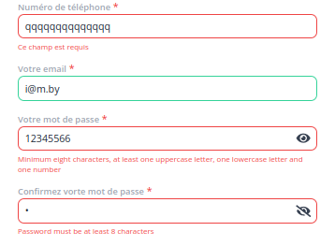
B6 | GUI problems of the form and Successful subscription message | Operating system: Ubuntu 20.04.5 LTS Firefox browser 104.0 (64-bit) | 1. Open http://localhost:3000; 2. Look at the form; 3. Enter more than 100 charecters to the field; 4. Look at the field; 5. Look at Successfull subscription message | Always | Minor | Low | Front-end | Asterics is displayed above check-box, there is no padding in the end of the field, no paddings to text "Go back" on button in Successful subscription message | Asterics is displayed after the text in check-box line, fields have padding at the end, there are paddings to text "Go back" on button in Successful subscription message
B7 | Adaptivity problems of form in mobile devices | Operating system: Ubuntu 20.04.5 LTS Firefox browser 104.0 (64-bit) | 1. Open http://localhost:3000; 2. Select inspect mode; 3. Select mobile mode; 4. Rotate device from vertical to horizontal position | Always | Minor | Low | Front-end | Field "Votre nom" is not adaptive to screen size, Successful subscription message is aligned to left side, form can not be scrolled down in horizontal location of device if the size of screen is small | Field "Votre nom" adjusts to screen size, Successful subscription message is aligned by centre and has adaptive font, form can be scrolled up and down in horizontal position of device | 